NJOVERFD
 | NJ Overnight Fund
 | (An open ended debt scheme investing in overnight securities with a relatively low interest rate risk and relatively low credit risk )

 | Fortnightly Portfolio Statement as on May 15, 2023
 | Name of the Instrument | ISIN | Industry / Rating | Quantity | Market/Fair Value (Rs. in Lakhs) | % to Net Assets | YTM~ | YTC^
 | Reverse Repo / TREPS
TRP_160922 | Clearing Corporation of India Ltd |  |  |  | 3,675.00 | 99.22% | 6.75%
 | Sub Total |  |  |  | 3,675.00 | 99.22%
 | Total |  |  |  | 3,675.00 | 99.22%
 | Net Receivables / (Payables) |  |  |  | 28.99 | 0.78%
 | GRAND TOTAL |  |  |  | 3,703.99 | 100.00%

 | ~ YTM as on May 15, 2023
 | ^ YTC represents Yield to Call provided by valuation agencies as on May 15, 2023. It is disclosed for Perpetual Bond issued by Banks (i.e. AT-1 Bond / Tier 1 Bond / Tier 2 Bond), as per AMFI Best Practices Guidelines Circular no. 135/BP/91/2020-21 read with SEBI circular No. SEBI/HO/IMD/DF4/CIR/P/2021/034 on Valuation of AT-1 Bonds and Tier 2 Bonds.

 |  | Portfolio Information
 | Scheme Name : | NJ Overnight Fund
 | Description (if any) | An open ended debt scheme investing in overnight securities with a relatively low interest rate risk and relatively low credit risk

 | Annualised Portfolio YTM* : | 6.75%

 | Macaulay Duration | 01 Day
 | Residual Maturity | 01 Day

 | As on (Date) | 2023-05-15
 | * in case of semi annual YTM, it will be annualised

 | Notes:
 | 1. Security in default beyond its maturiy date | NIL
 | 2. NAV at the beginning and end of the period (Rs. per unit)
 |  | As on 1st May 2023 | As on 15th May 2023
 | NJ Overnight Fund - Direct Growth | 1045.4222 | 1048.0804
 | NJ Overnight Fund - Regular Growth | 1044.6302 | 1047.2464

 | 3. Total Dividend (Net) declared during the period | NA
 | 4. Bonus was declared during the period | NA
 | 5. Investment in Repo of Corporate Debt Securities during the period | NIL
 | 6. Investment in foreign securities/ADRs/GDRs at the end of the period | NIL
 | 7. Margin Deposits includes Margin money placed on derivatives other than margin money placed with bank | NA
 | 8. Total value and percentage of Illiquid Equity shares | NA
 | 9. Average Maturity for the debt securities held (as on May 15, 2023) | 01 Day
 | 10. Instances of fair valuation of Securities or Deviation in valuation from what is provided by valuation agencies | NIL

 | NJ Overnight Fund
 | This product is suitable for investors who are seeking*:
 | An overnight fund that aims to generate optimal returns in line with overnight rates and high liquidity To invest in debt and money market instruments with maturity of 1 day *Investors should consult their financial advisors if in doubt about whether the product is suitable for them. | 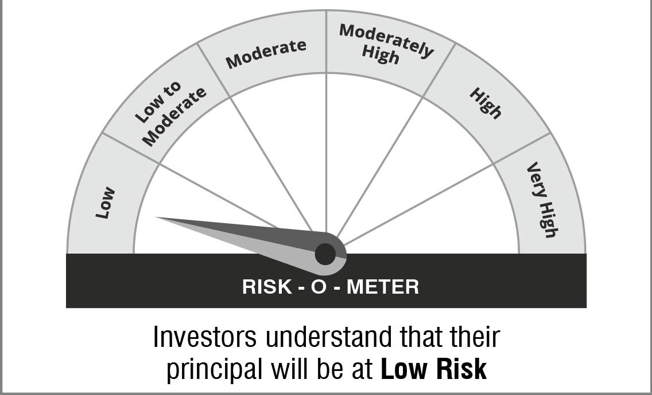

 | Name of the Benchmark and its risk-o-meter:
 | NIFTY 1D Rate Index

 | 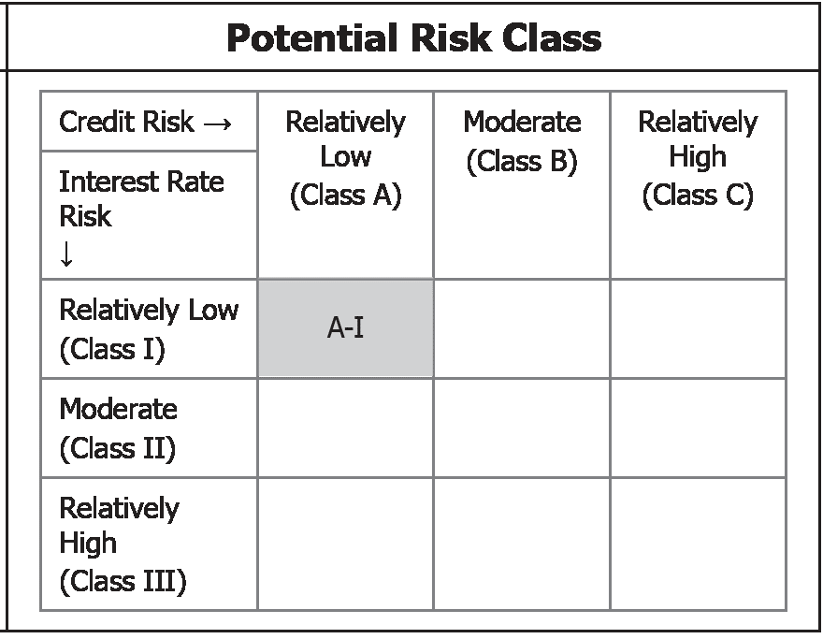 | A Relatively Low Interest Rate Risk and Relatively Low Credit Risk

